Sheet1
 |  |  |  |  |  |  | Gradient Boosting Machine Trained on all data

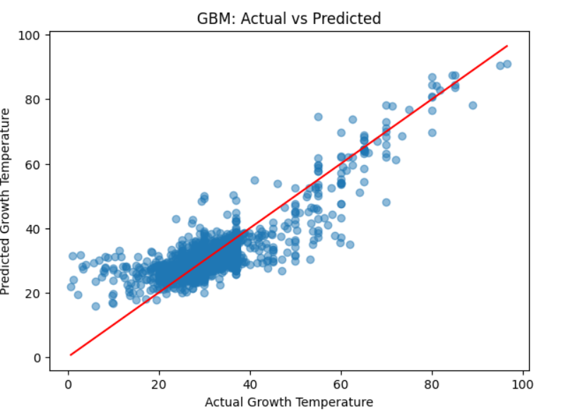

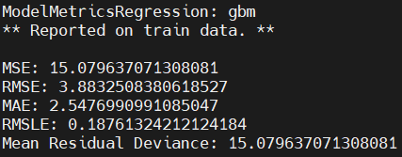
 |  |  |  |  |  |  |  | r2= 0.082

Using unseen bacteria

Species | predicted | reported
Alteromonas mediterranea | 29.6 | 30
Abiotrophia defectiva | 36.5 | 37
Thermotoga maritima | 78.99 | 80
Colwellia psychrerythraea | 19.5 | 10
Shewanella frigidimarina | 21.14 | 20
Aquifex aeolicus | 80.78 | 80

 |  |  |  |  |  | Gradient Boosting Machine on bacteria above 30 degrees

 |  |  |  |  | Hold out set 80/20

 |  |  |  |  | k-fold k=3

 | Vibrio coralliilyticus | predicted temp 34.2 | lab = 15-37
 | streptococcus thermphilus |  | pred= 35.8 | in training
 | geobacillus stearothermophilus |  | pred = 54.75 | in training

